Hoja1
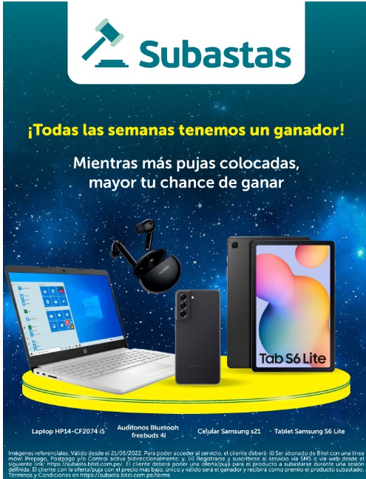

Every week we have a winner!

The more bids placed, the greater your chance of winning.

Laptop HP14-ck2074 i5
Audifonos Bluetooth Freebuds 4i
Celular Samsung S21
Tablet Samguns S6 Lite

TyC
In order to access the “Auction” service, the client must: (i) Be a Bitel subscriber with a bidirectionally active Prepaid, Postpaid and/or Control mobile line; and, (ii) Subscribe via SMS or register and subscribe via the web from the following link: https://subasta.bitel.com.pe/. The client must place an offer/bid for the product to be auctioned during a defined session. The customer with the offer/bid with the lowest and unique price will be the winner and will receive the auctioned product as a prize. Likewise, the offer/bid must be valid (between S/ 0.1 and S/ 1,000,000). Terms and Conditions at https://subasta.bitel.com.pe/terms

